Foglio1
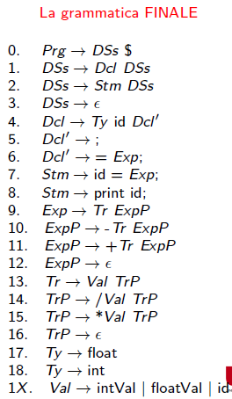
NUM | LHS | RHS | DER\EPS | FIRST | FOLLOW | PREDICT
0 | Prg | DSs $ | no | {float,int,id,print,$} | ------------------ | {float,int,id,print,$}
1 | DSs | Dcl DSs | no | {float,int} | {$} | {float,int}
2 | DSs | Stm DSs | no | {id,print} | {$} | {id,print}
3 | DSs | ε | si | { } | {$} | {$}
4 | Dcl | Ty idDcl' | no | {float,int} | {float,int,id,print,$} | {float,int}
5 | Dcl' | ; | no | {;} | {float,int,id,print,$} | {;}
6 | Dcl' | = Exp; | no | {=} | {float,int,id,print,$} | {=}
7 | Stm | id = Exp; | no | {id} | {float,int,id,print,$} | {id}
8 | Stm | print id; | no | {print} | {float,int,id,print,$} | {print}
9 | Exp | Tr ExpP | no | {intVal,floatVal,id} | {;} | {intVal,floatVal,id}
10 | ExpP | - Tr ExpP | no | {-} | {;} | {-}
11 | ExpP | + Tr ExpP | no | {+} | {;} | {+}
12 | ExpP | ε | si | { } | {;} | {;}
13 | Tr | Val TrP | no | {intVal,floatVal,id} | {+,-} | {intVal,floatVal,id}
14 | Trp | *Val Trp | no | {*} | {+,-} | {*}
15 | Trp | /Val Trp | no | {/} | {+,-} | {/}
16 | Trp | ε | si | { } | {+,-} | {+,-}
17 | Ty | float | no | {float} | {id} | {float}
18 | Ty | int | no | {int} | {id} | {int}
19 | Val | intVal | no | {intVal} | {*,/} | {intVal}
20 | Val | floatVal | no | {floatVal} | {*,/} | {floatVal}
21 | Val | id = Exp; | no | {id} | {*,/} | {id}

